Sheet1
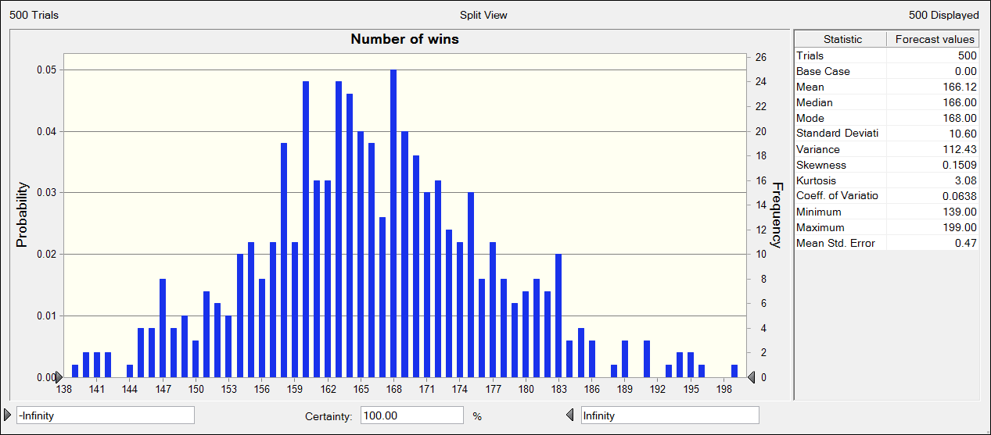
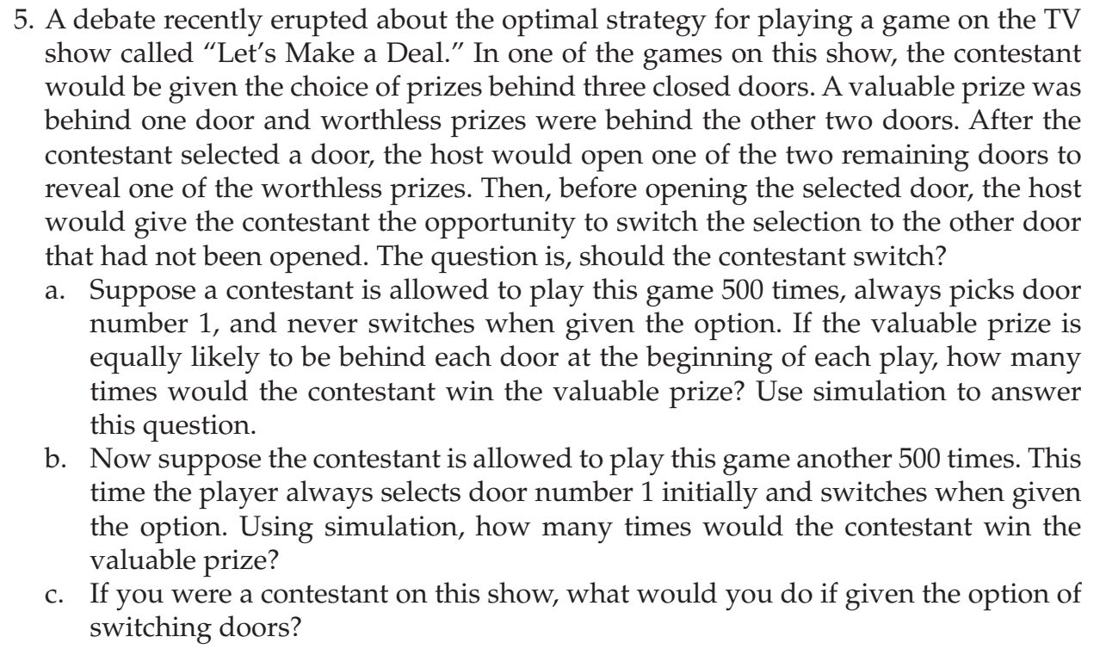
contestant
three doors | proabability
val | 0.33333333333
wor | 0.33333333333
wor | 0.33333333333

a) | valuable | 0.33333333333
 | worthless | 0.66666666667

 | No of trial | 500
 | Probability of valuable door |  |  | 0
 | Number of wins |  |  | 0

Second case with switching |  |  |  | Doors
 | win | 0.66666666667 |  | 1
 | loss | 0.33333333333 |  | 2
 |  |  |  | 3

Contestant | Prize behind | Host opens | Contestant switch to |  | FALSE
3 | 1 | 2

